FCF
Notes:
1. Depreciation is a non-cash expense and added back.
2. Increase is working capital is considered cash outflow and decrease is considered cash inflow.
3. If fixed asset is purchases it is reduced, if sold added. You can prepare fixed assets account to get the net cash inflow/outflow from the capex.
4. Focus is on valuing the business from core and recurring operations of the business. Hence, Free cash flow is used to compute valuation.
5. After adjustments of post-tax non-operating incomes and expenses (except financial expenses like interest), purchase/sales of non-operating assets, we get FREE CASH FLOW AVAILABLE TO ALL INVESTORS.
6. In this example, excess marketable investments are considered negative debt (kind of financing item). Hence, purchase of investments and interest on them are considered as financing activity.
 | Year 1 | Year 2 | Year 3
NOPLAT | 25.2 | 30 | 27
Add: Depreciation | 12 | 15 | 18
Less: Increase in working capital | 0 | 13 | 7
Less: Increase in Fixed Assets | 0 | 40 | 33
Free Cash Flow | Info not available | -8 | 5
Add: Post-tax non-operating income | 0 | 0 | 4.8
Free Cash Flow available to Investors (Equity+lenders) | Info not available | -8 | 9.8

NOPLAT Forecasted period
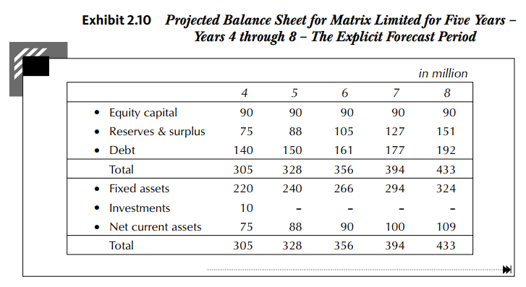
 | Year 4 | Year 5 | Year 6 | Year 7 | Year 8 |  | Year 4 | Year 5 | Year 6 | Year 7 | Year 8
PBT Given | 42 | 44 | 50 | 57 | 58 | NOPLAT | 38 | 38.8 | 44.6 | 51.8 | 55
Adjusment for: |  |  |  |  |  | Operating Invested Capital at beginning of year | 260 | 295 | 328 | 356 | 394 | Total Assets Minus Investment for this purpose
Less: Income from Marketable Securities | -3 | -2 | 0 | 0 | 0 | ROIC (based on beginning capital) | 14.62% | 13.15% | 13.60% | 14.55% | 13.96%
Less: Non-operating Income | 0 | 0 | 0 | 0 | 0
Add: Interest Expenses for debt | 18 | 20 | 21 | 23 | 25 | Operating Invested Capital at end of year | 295 | 328 | 356 | 394 | 433 | Total Assets Minus Investment for this purpose
EBIT | 57 | 62 | 71 | 80 | 83 | Average Capital | 277.5 | 311.5 | 342 | 375 | 413.5
 |  |  |  |  |  | ROIC (based on average capital) | 13.69% | 12.46% | 13.04% | 13.81% | 13.30%
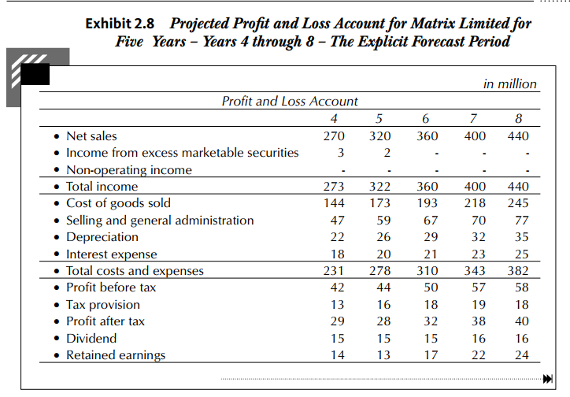
Tax adjustments:
Tax provision given | 13 | 16 | 18 | 19 | 18
Tax on Interest paid (income increased) | 7.2 | 8 | 8.4 | 9.2 | 10
Tax on Income from Marketable Securities (income decreased) | -1.2 | -0.8 | 0 | 0 | 0
Tax on Non-operating Income (income decreased) | 0 | 0 | 0 | 0 | 0
Adjusted tax on EBIT | 19 | 23.2 | 26.4 | 28.2 | 28

NOPLAT | 38 | 38.8 | 44.6 | 51.8 | 55

Forecasted FCF
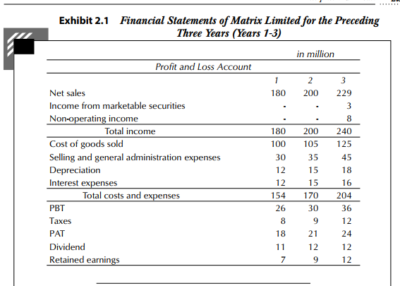
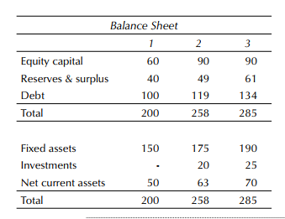
 | Year 4 | Year 5 | Year 6 | Year 7 | Year 8
NOPLAT | 38 | 38.8 | 44.6 | 51.8 | 55
Add: Depreciation | 22 | 26 | 29 | 32 | 35
Less: Increase in working capital | 5 | 13 | 2 | 10 | 9
Less: Increase in Fixed Assets | 52 | 46 | 55 | 60 | 65
Free Cash Flow | 3 | 5.8 | 16.6 | 13.8 | 16

Increase in Fixed assets:
FA (year 4)-FA (year 3)+Depreciation charged in year 4 P&l a/c
Year 4: (220-190+22)=52

 |  |  |  |  |  | Fixed Asset | Year 4 | Year 5 | Year 6 | Year 7 | Year 8
 |  |  |  |  |  | Net Effect | 30 | 20 | 26 | 28 | 30
 |  |  |  |  |  | Dep Charged | 22 | 26 | 29 | 32 | 35
 |  |  |  |  |  | Total Purchase | 52 | 46 | 55 | 60 | 65

